Instructions
 | 

Financial Forecast
Instructions

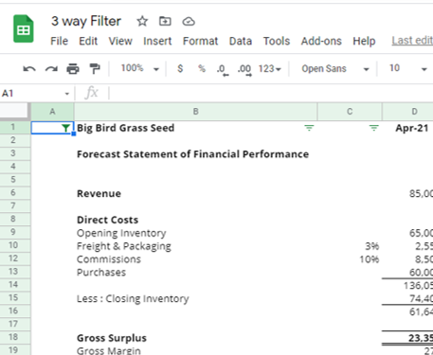
Enter data on the "Data Input" sheet, in the light blue cells only.

When entering data under the 'other' classifications in the balance sheet, the values entered will remain constant for the 12 month period.

All income and expense figures must be entered as GST exclusive.

After completing the data input sheet, use the Column A Filter to unselect "Hide' in order to hide any unnecessary rows in the projection sheets.
You will see a small green 'funnel' looking icon at the top of row 1 - click on it to unselect 'Hide'. Remember to check this if you feel figures are 'missing'.
Any manual adjustments should be made directly to the projection sheets and not to the data input page.

The Notes to the financial forecast (including the page numbers on the contents page) need to be reviewed and manually updated where applicable.

Log in as firm manager to 'zero' the input cells once you're comfortable/ familiar with the forecast model. This will ensure that each time you create a new client your model will be easier to work with and you won't find 'past data' hidden in cells.

Cover


 | Big Bird Grass Seed

 | 2027-03-31

 | Prepared by Advisor-e Accounts Ltd

Contents Page

1 | Forecasted Statement of Financial Performance | 1

2 | Forecasted Statement of Financial Position | 2

3 | Forecasted Statement of Cashflows | 3

4 | Accounts Receivable | 4

5 | Expense Payments | 5

6 | Inventory | 6

7 | Term Loans and Hire Purchase | 7

8 | Fixed Assets | 9

9 | Shareholder Advances | 11

10 | Goods and Services Tax | 12

11 | Prepayments and Accrued Expenses | 13

12 | Provision for Tax | 14

13 | Forecast Statement of Financial Performance Summary Graph | 15

14 | Forecast Statement of Financial Position Summary Graph | 16

15 | Notes to the Financial Forecast | 17

16 | Compilation Report | 20

P&L Graphs
Yr 1. P & L Forecast

Yr2. P & L Forecast

Yr 3. P & L Forecast

Balance Sheet Graphs
Yr 1. Balance Sheet Forecast

Yr 2. Balance Sheet Forecast

Yr 3. Balance Sheet Forecast

